Dropout Students Report
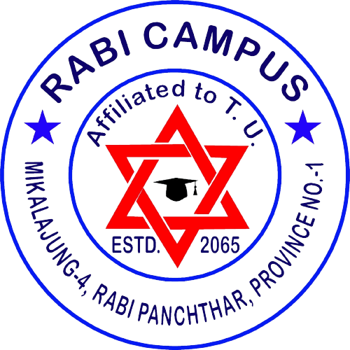 Rabi Campus Staff Detail Information Report Academic Year: 2025

Staff Name | Position | Qualification | Job Type | Date of joining
Janga Bahadur Thapa | Reader | MA, M Ed | Teaching Staff | 2081-03-05
Nirupa Bhattari | Asst. Lecturer/Teaching Assistant | MBS | Teaching Staff | 2080-05-24
Niraj Rai | Assistants | SLC | Non-Teaching Staff | 2076-08-04
Sarsawati Rai | Third Class | Bachelor | Non-Teaching Staff | 2068-03-20
Pushpalal Bhattarai | Asst. Lecturer/Teaching Assistant | MA | Teaching Staff | 2080-10-18
Rohit Prasad Dhungana | Lecturer | M.A, MEd | Teaching Staff | 2080-04-08
Dilan Regmi | Lecturer | BBS | Teaching Staff | 2079-10-25
Mani Kumar Khaling | Reader | M.A./B.Ed. | Teaching Staff | 2074-08-28
Sanoj Chapagain | Lecturer | MBS | Teaching Staff | 2073-04-17
Gajendra Chemjong | Reader | M.Ed | Teaching Staff | 2076-10-13
Sameer Rai | Reader | M.B.S. | Teaching Staff | 2072-09-02
Lokendra Balampaki | Lecturer | M.Ed | Teaching Staff | 2069-09-01
Bhanu Bhakta Regmi | Reader | M.Ed | Teaching Staff | 2065-06-08
Santosh Kumar Limbu | Reader | M.Ed | Teaching Staff | 2069-06-10
Tika Devi Bhattarai | Reader | M.A/B.Ed/L.L.B. | Teaching Staff | 2065-12-23

